Synthesis-Final
 | Carbon footprint of recycled aluminium - A complex scrap flow system (Synthesis)
 | Cut-off Allocation

Definitions
Process Scrap: New scrap from a previous product system and used as input for another product system. The production process and the remelting process are part of two different product systems in terms of LCA.
Inside Scrap: New scrap from a previous product system and used as input for the same product system. The production process and the remelting process are part of the same product systems in terms of LCA.
Post-consumer scrap: Scrap arising from products after use.

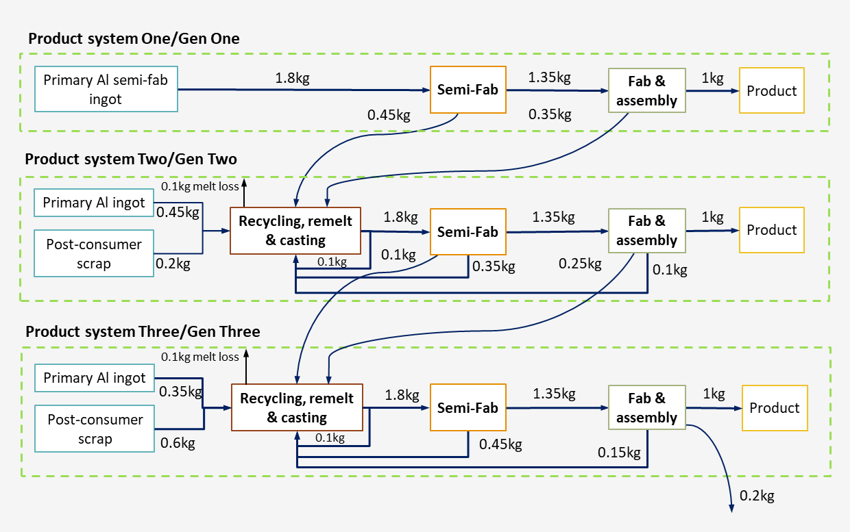
Cell can be changed by the user
Results

 | Specific CF (t CO2 eq./t) |  |  |  | Checks : Inputs (t)
Primary Al semi-fab ingot | 9.0 |  |  |  | 1.8 |  |  |  |  |  | 1 | 2 | 3
Primary Al ingot 2 | 10.0 |  |  |  | 0.45 |  |  |  |  | Primary | 1.8 | 0.45 | 0.35
Primary Al ingot 3 | 4.0 |  |  |  | 0.35 |  |  |  |  | Post | 0 | 0.2 | 0.6
Recycling, remelt & casting 2 | 0.3 |  |  |  | 1.8 |  |  |  |  | Ingot | 1.8 | 1.8 | 1.8
Recycling, remelt & casting 3 | 0.3 |  |  |  | 1.8 |  |  |  |  | Semi Fab | 1.35 | 1.35 | 1.35
Semi-fab 1 | 0.6 |  |  |  | 1.35 |  |  |  |  | Final Product | 1.00 | 1.00 | 1.00
Semi-fab 2 | 0.6 |  |  |  | 1.35 |  |  |  |  | Pre-consumer Semi 1 | -0.45 | 0.45
Semi-fab 3 | 0.6 |  |  |  | 1.35 |  |  |  |  | Pre-consumer Assembly 1 | -0.35 | 0.35
Fab & assembly 1 | 1.00 |  |  |  | 1 |  |  |  |  | Pre-consumer Semi 2 |  | -0.1 | 0.1
Fab & assembly 2 | 1.00 |  |  |  | 1 |  |  |  |  | Pre-consumer Assembly 2 |  | -0.25 | 0.25
Fab & assembly 3 | 1.00 |  |  |  | 1 |  |  |  |  | Pre-consumer Assembly 3 |  |  | -0.2
 |  |  |  |  |  |  |  |  |  | Inside Scrap Input | 0 | 0.55 | 0.7
 |  |  |  | Checks Total emissions (t CO2 eq.): | 28.61 |  |  |  |  | Inside Scrap Output | 0 | -0.55 | -0.7
 |  |  |  |  |  |  |  |  |  | Melt Loss | 0 | 0.1 | 0.1
End-of life scenario assumptions
Product | End-of-life recycling ratio | Region for end-of-life | Average regional aluminium emissions (t CO2 eq./t)
Product 1 | 80% | North America | 8.1 |  |  |  |  |  |  | Inside Scrap Semis | 0 | 0.35 | 0.45
Product 2 | 80% | North America | 8.1 |  |  |  |  |  |  | Inside Scrap Manu | 0 | 0.1 | 0.15
Product 3 | 80% | North America | 8.1 |  |  |  |  |  |  | Cast House Scrap | 0 | 0.1 | 0.1

Cradle-to-gate carbon footprint (t CO2 eq./t) |  |  |  |  |  | Factor for Module D
 | Cutoff |  | Checks : Output flows (t) |  |  | (t CO2 eq./t) | Primary Used in Region | Remelting of post-consumer scrap | Module D Factor
Approach in reference document: | W |  |  |  |  | North America | 8.5 | 0.4 | 8.1
Product 1 | 18.01 |  | 1.00 |  |  | Europe | 9.7 | 0.4 | 9.3
Product 2 | 6.85 |  | 1.00 |  |  | China | 19.5 | 0.4 | 19.1
Product 3 | 3.75 |  | 1.00 |  |  | Gulf Cooperation Council | 11.4 | 0.4 | 11.0
Process scrap from Semi-fab 1 to Product 2 | 0 |  | 0
Process scrap from Fab & assembly 1 to Product 2 | 0 |  | 0
Process scrap from Semi-fab 2 to Product 3 | 0 |  | 0
Process scrap from Fab & assembly 2 to Product 3 | 0 |  | 0
Process scrap from Fab & assembly 3 to outside | 0 |  | 0.2

Checks Total emissions (t CO2 eq.): | 28.61

Aluminium leaving the system in module C, after collection and sorting (tonnes)
 | Net-scrap
Product 1 | 0.80
Product 2 | 0.80
Product 3 | 0.80

Aluminium output flows (tonnes)
 | Net-scrap
Product 1 | 0.80
Product 2 | 0.35
Product 3 | 0.20

Aluminium input flows (tonnes)
 | Net-scrap
Product 1 | 0.00
Product 2 | 1.00
Product 3 | 0.95

Net aluminium ouput flows (tonnes)
 | Net-scrap
Product 1 | 1.60
Product 2 | 0.15
Product 3 | 0.05

Cradle-to-gate + module D (t CO2 eq./t)
 | Net-scrap
Product 1 | 5.05
Product 2 | 5.64
Product 3 | 3.34
 | 14.03

